Help
HELP |  | © 2017-2021 Vertex42.com
 |  | https://www.vertex42.com/ExcelTemplates/action-items-template.html

About
 | This action list template demonstrates how to rank ideas or tasks by potential value and estimated difficulty.

 | To learn how to add drop-down lists and use conditional formatting to spice up your task lists, see the article listed below.

 | Add Cool Features to Your To Do Lists

JAM Ranking
 | The JAM Rank is calculated by assigning a task a Value and Difficulty and then adding the values (1,2,3) together. A "Just Do It" is 3+3=6. A task to "Abandon" is a 1+1=2. A "Maybe" is either 1+3=4, 2+2=4, or 3+1=4.
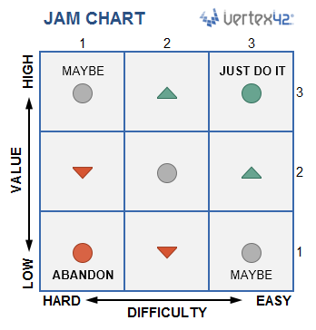

Conditional Formatting
 | Most of the features in this template use conditional formatting rules. To edit conditional formatting rules, go to Conditional Formatting > Manage Rules and select "This Worksheet" to see and edit all the rules.

Terms of Use
 | This spreadsheet, including all worksheets and associated content is a copyrighted work under the United States and other copyright laws.

 | Do not submit copies or modifications of this template to any website or online template gallery. Please review the following license agreement to learn how you may or may not use this template. Thank you.

 | https://www.vertex42.com/licensing/EULA_privateuse.html

Additional Help
 | The link at the top of this worksheet will take you to the web page on vertex42.com that talks about this template.

 | More To Do List Templates

